D1
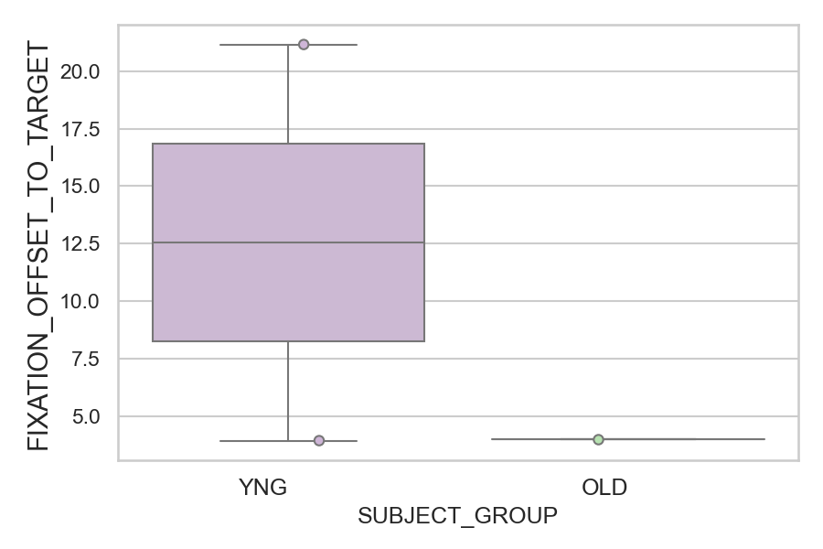
How far the gaze was from where it should be (target or opposite position) after correct or corrected saccades (degrees) (mean of all trials per subject)
SUBJECT_NAME | SUBJECT_GROUP | SUBJECT_AGE | VALUE
AW001CG | YNG | 19 | 21.160927973
CP001CTA | OLD | 65 | 3.9796689086
AW002AF | YNG | 19 | 3.9300038511

D1 (types)
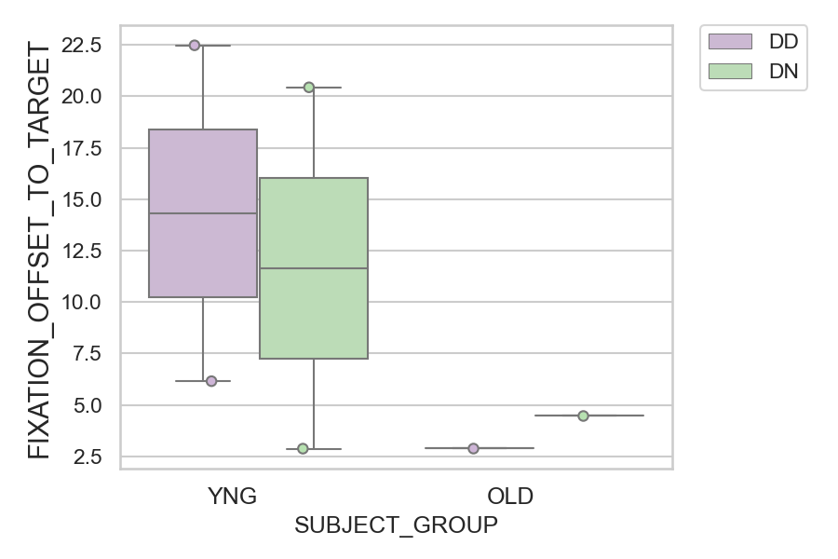
How far the gaze was from where it should be (target or opposite position) after correct or corrected saccades (degrees) (mean of all trials per subject)
SUBJECT_NAME | SUBJECT_GROUP | CONDITION_APPEARANCE | SUBJECT_AGE | VALUE
AW001CG | YNG | DD | 19 | 22.473026111
AW001CG | YNG | DN | 19 | 20.431984563
AW002AF | YNG | DD | 19 | 6.1545566728
CP001CTA | OLD | DN | 65 | 4.4960275542
CP001CTA | OLD | DD | 65 | 2.8895784344
AW002AF | YNG | DN | 19 | 2.8762683039

